32 Draw Shoot Out
SHOOT OUT Tournament Date: / /

 | Round of 32 | Round of 16 | Quarter Finals | Semi Finals | Grand Final
1 |  | >
2 |  |  | > |  | Info To Organiser:
3 |  | > |  |  | - can be completed in 30 minutes
4 |  |  |  | > | - use no more than 2 tables
5 |  | > |  |  | - everyone gathers in adjoining / middle table
6 |  |  | > |  | - encourage spectator participation
7 |  | > |  |  | - small prize for winner & runner-up
8 |  |  |  |  | >
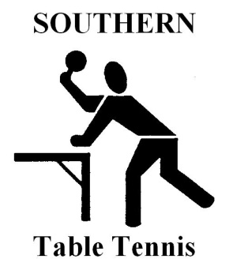
9 |  | >
10 |  |  | >
11 |  | >
12 |  |  |  | >
13 |  | >
14 |  |  | >
15 |  | >
16 |  |  |  |  |  | >
17 |  | > |  |  |  | The Winner
18 |  |  | >
19 |  | >
20 |  |  |  | >
21 |  | >
22 |  |  | >
23 |  | >
24 |  |  |  |  | >
25 |  | >
26 |  |  | > |  | RULES: * listen for your name and be prepared *
27 |  | > |  |  | - 2 players are called out on court
28 |  |  |  | > | - best of 5 points (first to 3 points)
29 |  | > |  |  | - alternate serve (1 serve each)
30 |  |  | > |  | - first named person serves first
31 |  | > |  |  | - first name goes to wall end
32 |  |  |  |  | - advise c-oordinator if you win
 |  |  |  |  | - winner advances to the next round

